money weighted
Tahun | rate | value awal | value akhir
1 | 10% | 100.00 | 110.00 |  |  |  | 10.00% | =D2/C2-1
2 | 10% | 110.00 | 121.00 |  |  |  | 10.00% | =D3/C3-1
3 | 10% | 121.00 | 133.10 |  |  |  | 10.00% | =D4/C4-1
4 | 10% | 133.10 | 146.41 | 146.41 | =C2*((1+B2)^4) |  | 10.00% | =D5/C5-1

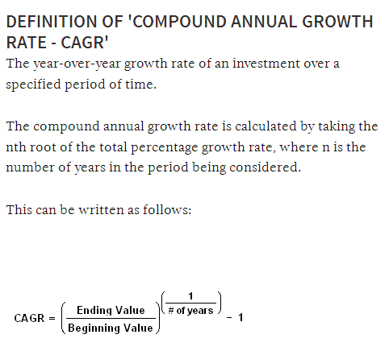

 |  |  |  |  |  | r = | 10.00% | =(D5/C2)^(1/4)-1

Periode | value awal | rate | value akhir
start | 100.00 | 10% | 110.00
cashflow | 20.00 |  | 20.98
end |  |  | 130.98

